RECOV-FLEX SESSION
RECOVERY/FLEXIBILITY SESSION

(DONE BEFORE AND/OR AFTER SESSIONS)
No | Name Of Exercise | Sets | Reps | Picture | Coaching Points

The aim of this session is to improve the condition of your muscles

1 | Foam Roll - Calf | 1 | 6 times up and down foam roll | 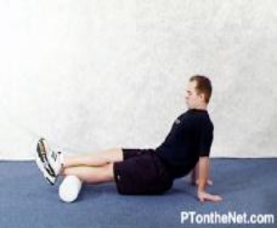

2 | Foam Roll - Leg | 1 | 6 times up and down foam roll | 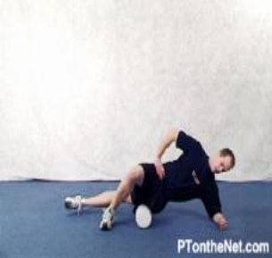

3 | Foam Roll - Hip | 1 | 6 times up and down foam roll | 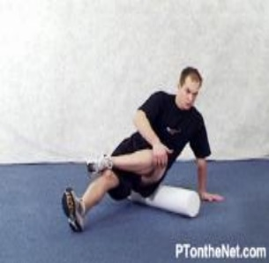

4 | Foam Roll - Groin | 1 | 6 times up and down foam roll | 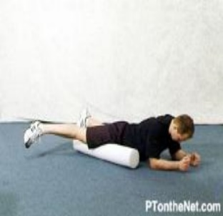

5 | Foam Roll - Back | 1 | 6 times up and down foam roll | 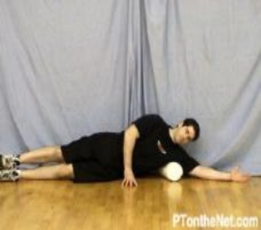

6 | Stretch - Calf | 1 | 20 Sec Hold | 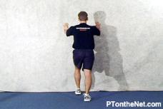

7 | Stretch - Hip | 1 | 20 Sec Hold | 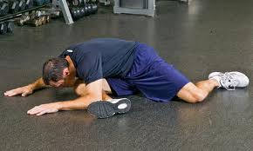

8 | Stretch - Hip | 1 | 20 Sec Hold | 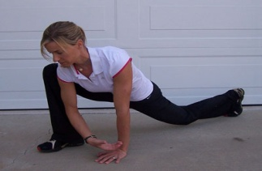

9 | Stretch - Lower Back | 1 | 20 Sec Hold | 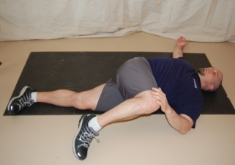

10 | Stretch - Upper Back | 1 | 20 Sec Hold | 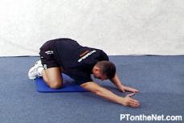

11 | Stretch - Groin | 1 | 20 Sec Hold

NMSRFR Core Session
Core Session

(DONE ANY TIME)
No | Name Of Exercise | Sets | Reps |  | Picture | Coaching Points

The aim of this session is to improve RUNNING EFFICIENCY

1 | Shoulder Bridge | 2 | 15 | 30 Secs | 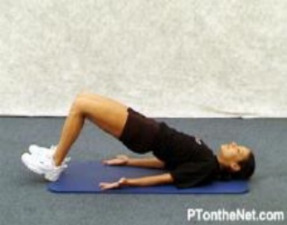 | Lye on your back, with your knees bent, take your toes off the floor, push your hips up, activate glutes as you do. Repeat required number of sets and reps

2 | Plank | 2 | 1 x 60 Secs | 30 Secs | 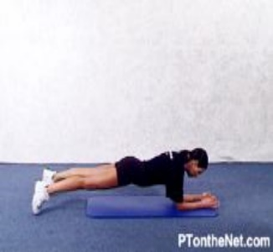 | Lye on your front, lift yourself up so that your elbows are benath your shoulders, keep your hips and back in line, hold for required time.

3 | Cobra | 2 | 15 | 30 Secs | 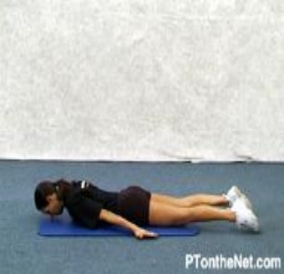 | Lye on your front with your head down, take your arms off to your side so that they are in line with your chest. Squeeze shoulder blades together and lift arms off the floor, hold for 1 second in top position, slowly take arms back to start position.

4 | Seated Twists | 2 | 20 (10 each side) | 30 Secs | 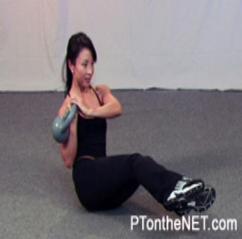 | Sit on hips, bend knees and take feet off the floor. Keep your balance. Take arms from side to side (touching floor) slowly.

5 | Plank with leg lift | 2 | 10 each leg | 30 Secs | 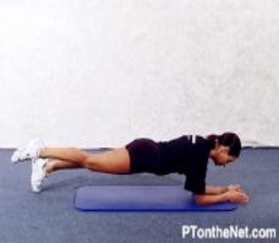 | In the plank position, lift 1 leg an inch off the floor, hold, then return foot to floor, ensure that hips and back stay in line

6 | Side Plank with leg lift | 2 | 10 each leg | 30 Secs | 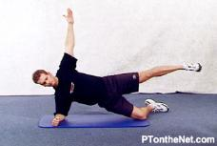 | Start by lying on your side, elbow positoned beneath shoulder, position leg nearest floor at 90 degree angle. Lift body away from floor, hold in top position then return to floor, repeated required number of sets.

7 | Superman | 2 | 10 each side | 30 Secs | 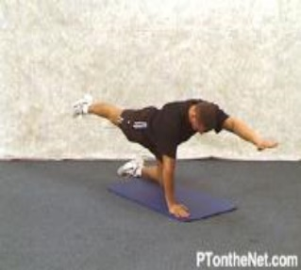 | On all fours, lift up your right arm and left leg, hold when arm and leg are parrell to floor, return to start position, then lift up left arm and right leg to same position. Repeat required number of reps each side.

8 | Push Ups | 2 | 15 | 30 Secs | 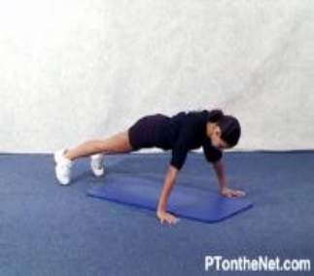

9 | Single Leg Squats | 2 | 10 each leg | 30 Secs | 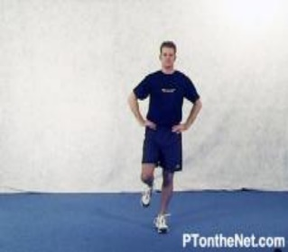 | Standing on one leg. Lean forward pushing hips back, bend knees to lowest position that you can balance in. Return to standing position. Repeat required number of reps.

Circuit
Intermediate Gym Conditioning Circuit

No | Name Of Exercise | Strengthens | Sets | Reps | Rest (secs) Between Sets | Picture | Coaching Points

1 | Warmup | 5 Mins X-Trainer

2 | Rower | 3 Mins @ level 10 sub 1.55/500M | 1 | 1 | 1 Min

3 | Swiss ball wall squats | 6kg Dumbells | 3 | 15 | 30 Secs | 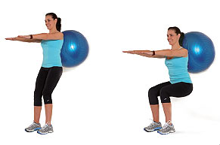

4 | X-Trainer | 3 Mins @ level 10 Speed 140 RPM + | 1 | 1 | 1 Min

5 | Step Ups | 6kg Dumbells | 3 | 15 (Each Side) | 30 Secs | 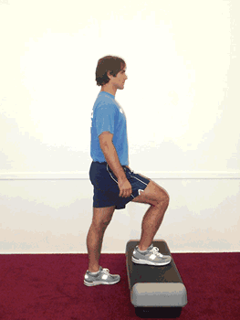

5 | Bike | 3 Mins Level 5 RPM 90+ | 1 | 1 | 1 Min

6 | Backward Lunge | 6kg Dumbells | 2 | 30 (15 Each Side) | 30 Secs | 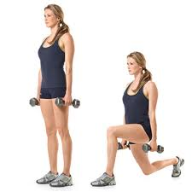

7 | Rower | 3 Mins @ level 10 sub 1.55/500M | 1 | 1 | 1 Min

8 | Push Ups | Body Weight | 3 | 15 | 30 Secs

9 | X-Trainer | 3 Mins @ level 10 Speed 140 RPM + | 1 | 1 | 1 Min

10 | Side Planks | Body Weight | 3 | 20 Secs Each Side | 30 Secs

11 | Rower | 3 Mins @ level 10 sub 1.55/500M | 1 | 1 | 1 Min

12 | Swiss ball Plank | Body Weight | 3 | 45 secs | 30 Secs

